Sheet1
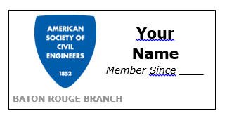
ASCE Member Badge
First Name | Last Name | Member Since* | Quantity | Price/Badge | Total
 |  |  |  | $5.00 | $-

* If you do not know what year your membership began, input "XXXX" in the space provided and we will look it up for you.

Your name will appear on the badge exactly as you type it in this form. Please do not include prefixes (Mr., Mrs., etc…) or professional titles (P.E., P.L.S., etc.). Suffixes such as Jr. and Sr. are acceptable.

EMAIL COMPLETED FORM TO presidentelect.ascebr@gmail.com. YOU WILL RECEIVE AN EMAIL TO PAY FOR YOUR BADGE. YOUR BADGE WILL NOT BE ORDERED UNTIL YOU HAVE SUBMITTED THE PAYMENT ONLINE. IF YOU REQUESTED MORE THAN ONE BADGE, PLEASE MAKE SURE YOU PAY THE CORRECT AMOUNT.

